Measurement Images
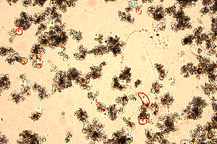
Title | Data | Preview_Merged
Image Name | Preview
Pixel Size | 1536 x 1024
Calibrated Size | 2,681.02 x 1,787.35 µm
Calibration | 1 pixel = 1.75 µm
Calibration Value | 1.75
Created Date | 4/30/2026 2:35:59 PM
File Size | 9.000 MB

